Correlations
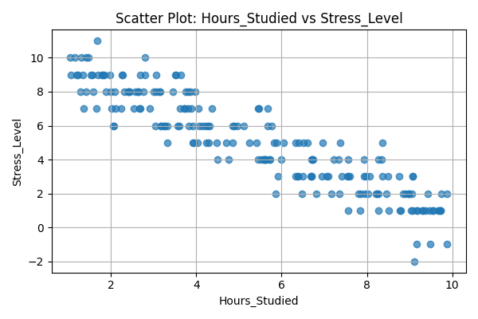
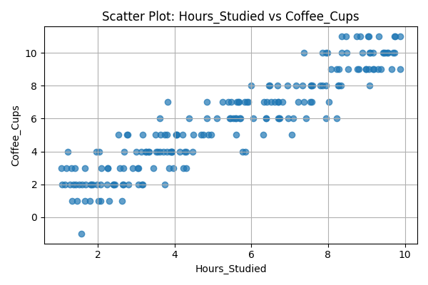
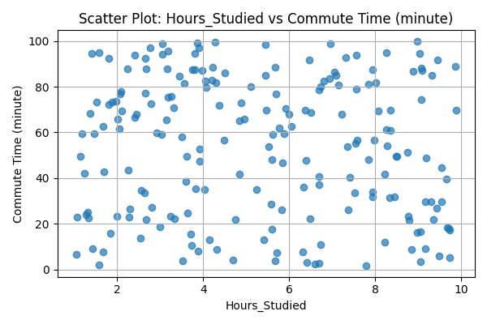
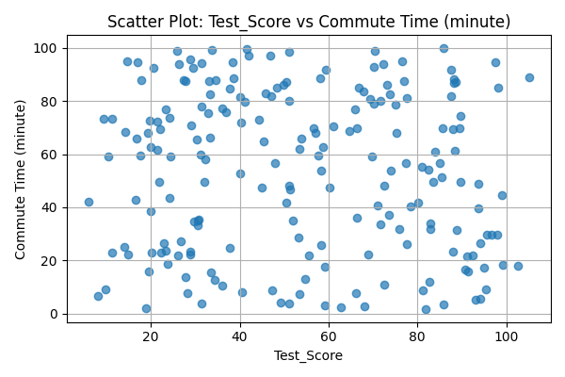
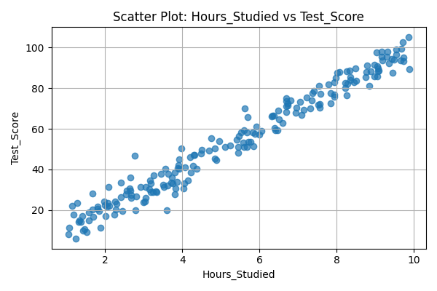
Pair | Pearson Correlation | Spearman Correlation
Hours_Studied vs Test_Score | 0.98361148017 | 0.98170554264
Hours_Studied vs Stress_Level | -0.92022175345 | -0.92539171363
Hours_Studied vs Coffee_Cups | 0.92834060511 | 0.92908040157
Hours_Studied vs Commute Time (minute) | -0.08400593802 | -0.073636840921
Test_Score vs Commute Time (minute) | -0.078317494905 | -0.073123828096

